D1
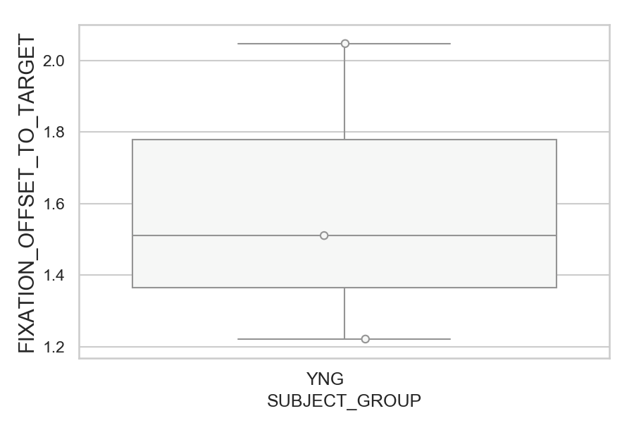
How far the gaze was from where it should be (target or opposite position) after correct or corrected saccades (degrees) (mean of all trials per subject)
SUBJECT_NAME | SUBJECT_GROUP | SUBJECT_AGE | VALUE
AW002AF | YNG | 19 | 2.0474776061
MP1 | YNG |  | 1.5105309564
AW001CG | YNG | 19 | 1.2210711732

D1 (types)
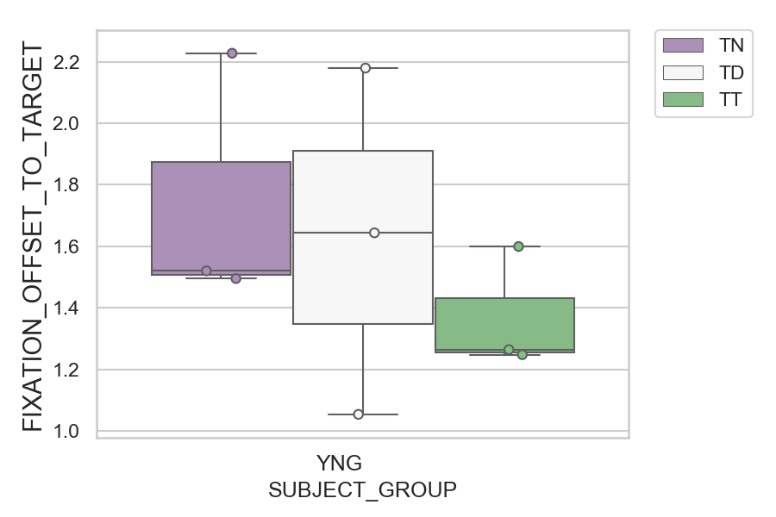
How far the gaze was from where it should be (target or opposite position) after correct or corrected saccades (degrees) (mean of all trials per subject)
SUBJECT_NAME | SUBJECT_GROUP | CONDITION_APPEARANCE | SUBJECT_AGE | VALUE
AW002AF | YNG | TN | 19 | 2.2277736111
AW002AF | YNG | TD | 19 | 2.1795204795
MP1 | YNG | TD |  | 1.6438817601
AW002AF | YNG | TT | 19 | 1.5993840749
MP1 | YNG | TN |  | 1.5202436657
AW001CG | YNG | TN | 19 | 1.4951434708
MP1 | YNG | TT |  | 1.2641427707
AW001CG | YNG | TT | 19 | 1.2476468942
AW001CG | YNG | TD | 19 | 1.0537713116

D2
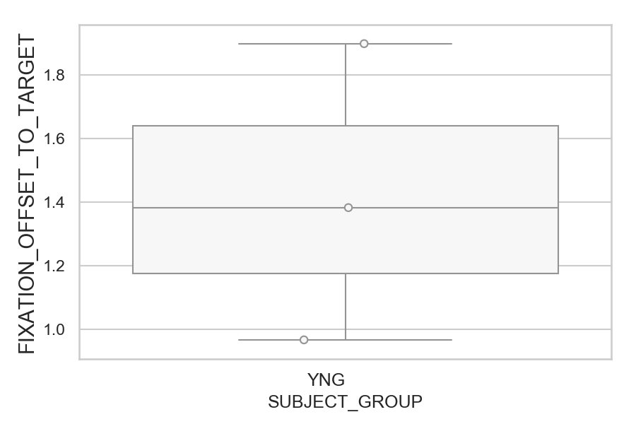
How far the gaze was from where it should be (target or opposite position) after correct or corrected saccades (degrees) (mean of all trials per subject)
SUBJECT_NAME | SUBJECT_GROUP | SUBJECT_AGE | VALUE
AW002AF | YNG | 19 | 1.8975323608
MP1 | YNG |  | 1.3828688483
AW001CG | YNG | 19 | 0.96774585715

D2 (types)
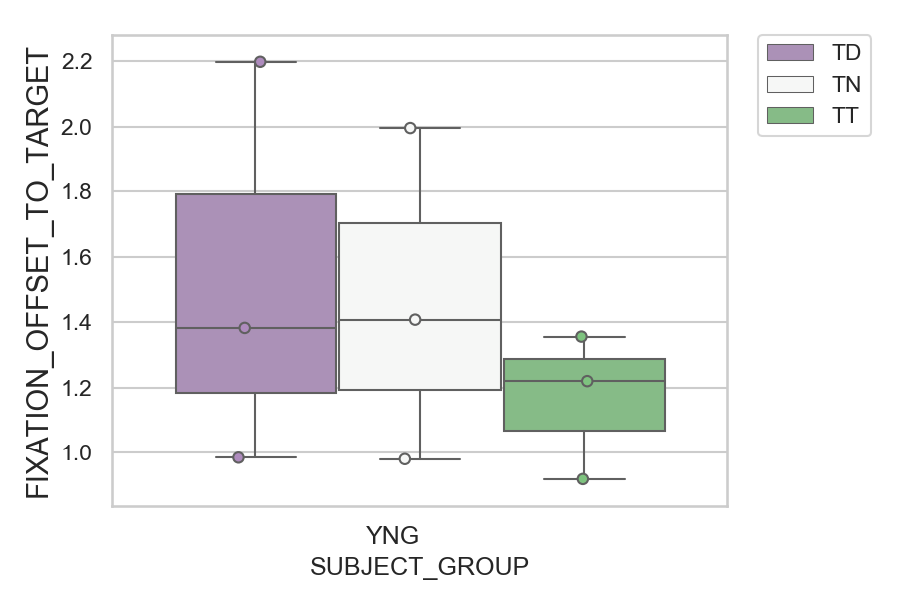
How far the gaze was from where it should be (target or opposite position) after correct or corrected saccades (degrees) (mean of all trials per subject)
SUBJECT_NAME | SUBJECT_GROUP | CONDITION_APPEARANCE | SUBJECT_AGE | VALUE
AW002AF | YNG | TD | 19 | 2.1985931678
AW002AF | YNG | TN | 19 | 1.9960969075
MP1 | YNG | TN |  | 1.4079476287
MP1 | YNG | TD |  | 1.3827022139
MP1 | YNG | TT |  | 1.3561813818
AW002AF | YNG | TT | 19 | 1.2200047236
AW001CG | YNG | TD | 19 | 0.98445469309
AW001CG | YNG | TN | 19 | 0.98001406122
AW001CG | YNG | TT | 19 | 0.91862287752

D2 (no D1 failed)
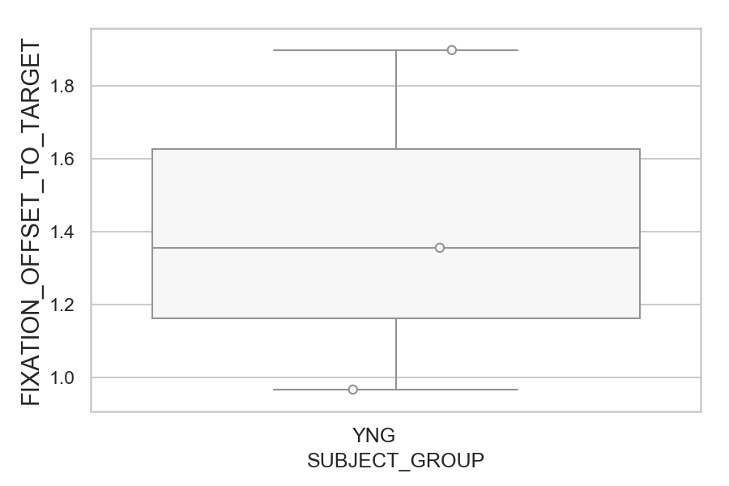
How far the gaze was from where it should be (target or opposite position) after correct or corrected saccades (degrees) (mean of all trials per subject)
SUBJECT_NAME | SUBJECT_GROUP | SUBJECT_AGE | VALUE
AW002AF | YNG | 19 | 1.8975323608
MP1 | YNG |  | 1.3560808741
AW001CG | YNG | 19 | 0.96774585715

D2 (no D1 failed) (types)
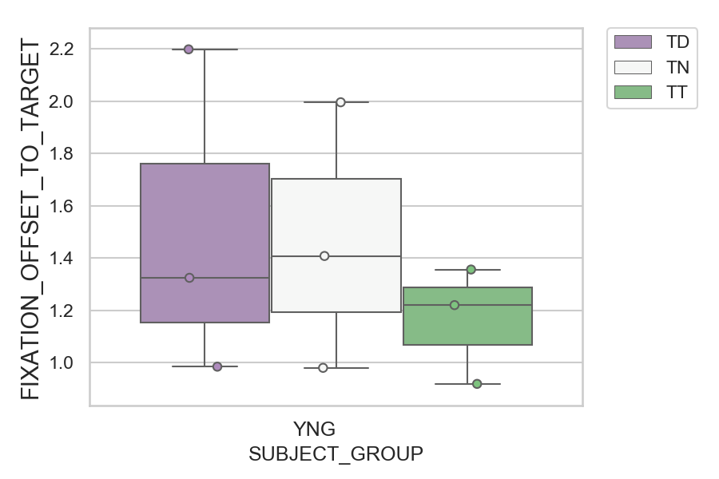
How far the gaze was from where it should be (target or opposite position) after correct or corrected saccades (degrees) (mean of all trials per subject)
SUBJECT_NAME | SUBJECT_GROUP | CONDITION_APPEARANCE | SUBJECT_AGE | VALUE
AW002AF | YNG | TD | 19 | 2.1985931678
AW002AF | YNG | TN | 19 | 1.9960969075
MP1 | YNG | TN |  | 1.4079476287
MP1 | YNG | TT |  | 1.3561813818
MP1 | YNG | TD |  | 1.3244529974
AW002AF | YNG | TT | 19 | 1.2200047236
AW001CG | YNG | TD | 19 | 0.98445469309
AW001CG | YNG | TN | 19 | 0.98001406122
AW001CG | YNG | TT | 19 | 0.91862287752

